Sheet1
Girder | Karlsruhe Method | Lehigh Method | Difference
S1/1 | 1.186 | 1.061 | 0.125 | Parameter of Interest | mean of differences (Mu-d)
S2/1 | 1.151 | 0.992 | 0.159 | Null Hypothesis | H0: Mu-d = 0
S3/1 | 1.322 | 1.063 | 0.259 | Alternative Hypothesis | H1: Mu- d != 0
S4/1 | 1.339 | 1.062 | 0.277 | Significance Level (a) | 0.001 | (confidence area)
S5/1 | 1.200 | 1.065 | 0.135 | Reject Region | Reject H0 if t0 > t_alpha/2 or t0 < -t_alpha/2
S2/1 | 1.402 | 1.178 | 0.224 |  | Reject H0 if P-value < a
S2/2 | 1.365 | 1.037 | 0.328 | Test Statistic | 6.081939437584827
S2/3 | 1.537 | 1.086 | 0.451 | Degree of Freedom | 8.00000
S2/4 | 1.559 | 1.052 | 0.507 | t (alpha/2) | 5.0413 | (a variable derived out of confidence area)
 |  |  |  | P-value | 0.0003 | 0.00029529546279 | (an area derived out of t0 variable)

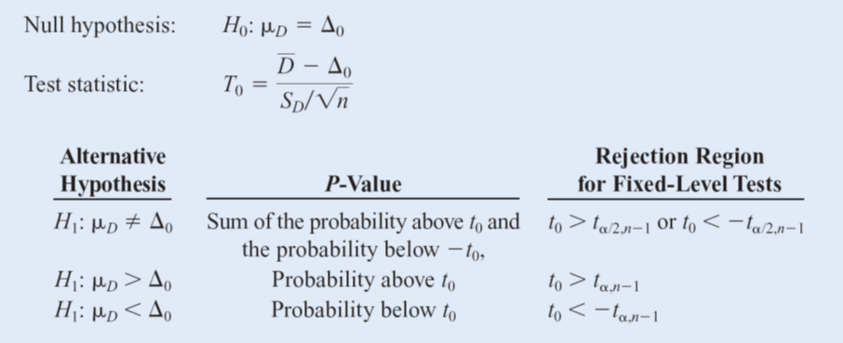
 |  |  |  | Accept/Reject Null Hypothesis | Reject H0 and Accept H1

 |  |  |  | D-bar (mean of difference of all pairs) | 0.274
 |  |  |  | SD of Difference | 0.13509944897
 |  |  |  | n | 9

Sheet2
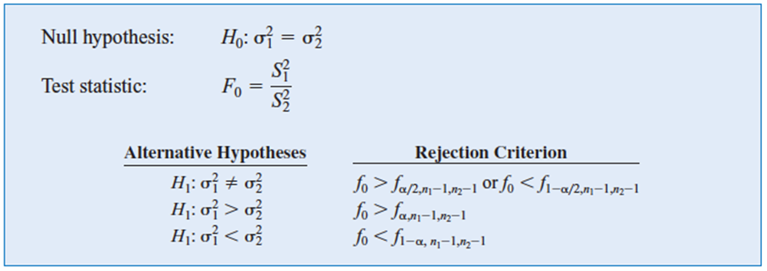

n1 | 16
n2 | 16
S1 | 1.96
S2 | 2.13
Parameter of Interest | Ratio of Variance
Null Hypothesis | H0: sigma1^2 = sigma2^2
Alternative Hypothesis | H1: sigma1^2 < sigma2^2
Significance Level (a) | 0.05
Reject Region | Reject H0 if f0 < f1-alpha
Test Statistic f0 | 0.846745575172475
f(1-a) | 0.4161 | 0.41606907506

Accept/Reject Null Hypothesis | We don't have a strong evidence to reject H0, so we accept H0

Sheet3
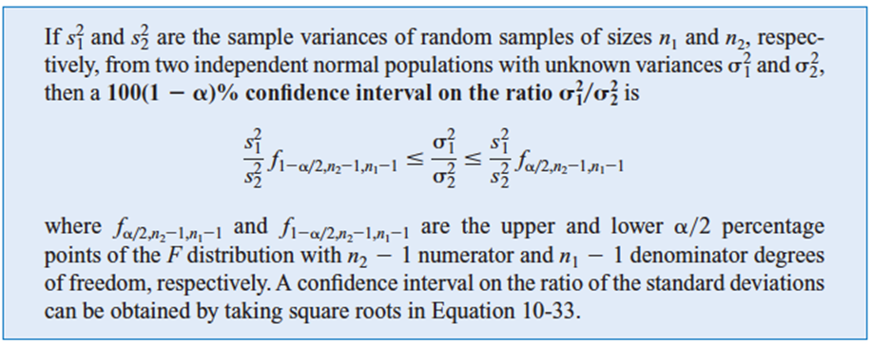

s1 | 5.1
s2 | 4.7
n1 | 11
n2 | 16
α | 0.1
f(1-α/2) | 0.39312525363
f(α/2) | 2.845016527

Lower Bound | 0.46288763453 | for variance
Upper Bound | 3.3498813883

Lower Bound | 0.68035846032 | for standard deviation
Upper Bound | 1.8302681192

Sheet4
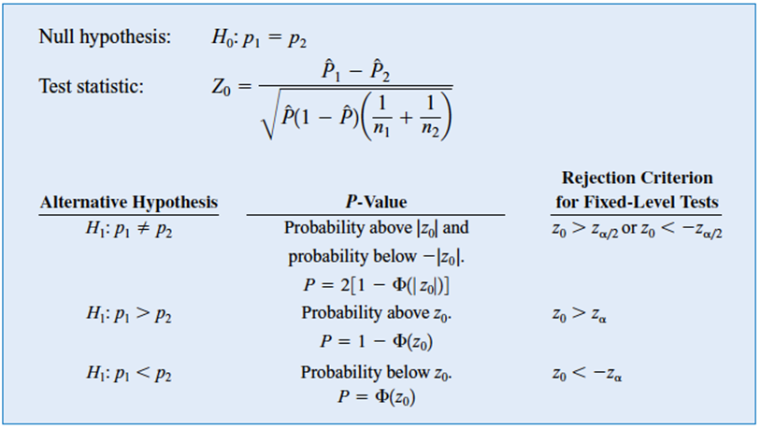

n1 | 100
n2 | 100
sample proportion 1 | 0.19 | Placebo
sample proportion 2 | 0.27 | St.John Wart
total proportion | 0.23

Parameter of Interest | difference proportion
Null Hypothesis | H0: p1 = p2
Alternative Hypothesis | H1: p1 != p2
Significance Level (a) | 0.05
Reject Region | Reject H0 if z0 > zalpha/2 or z0 < -zalpha2
 | Reject H0 if P-value < a
Test Statistic z0 | -1.344205625419900
Z alpha/2 | 1.9600
P-value | 0.1789

Accept/Reject Null Hypothesis | We don't have a strong evidence to reject H0, so we accept it

Sheet5
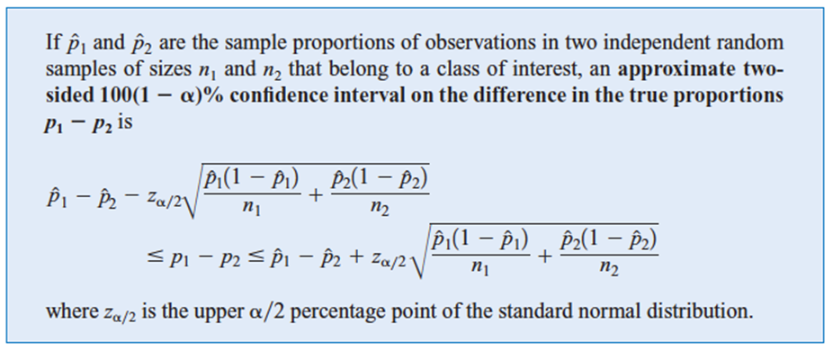

n1 | 100
n2 | 100
sample proportion 1 | 0.19
sample proportion 2 | 0.27
Z(α/2) | 1.9599639845

Lower Bound | -0.19611856208
Upper Bound | 0.036118562085

